I
 | INTRODUCTION - ENERGY AND ENERGY EFFICIENCY

 | SMEs can significantly reduce energy costs and their environmental impact by implementing energy efficiency measures.
 | Checking energy consumption helps reduce energy bills.

 | Proposed measures and activities to reduce consumption:
 | Measure | Energy saving | Costs | Repayment period
1 | LED lighting | up to 80% | Moderate | 1-3 years
2 | Optimization of heating, ventilation and air conditioning systems | up to 30% | Small | 1-2 years
3 | Energy efficient equipment | up to 65% | High | 3-5 years
4 | Insulation of buildings | up to 30% | Moderate | 2-4 years
5 | Renewable energy | Varies | High | 5-10 years

 | Energy audit |  | Lighting upgrade
1 | Collect energy bills. |  | Replace old, inefficient lighting with energy-efficient LED bulbs and fixtures.
2 | Collect previous bills and meter readings to see energy usage trends. |  | Look for LEDs with high lumens per watt for maximum energy savings.
3 | Walk through the facilities and look at the lighting, heating/cooling systems, and equipment. |  | Upgrade existing fixtures to be LED compatible for optimal performance.
4 | Pay attention to areas that need improvement, i.e. make a list of places to upgrade lighting, insulation or equipment.

 | Lighting type | Energy use | Lifespan | Environmental impact
1 | Incandescent bulbs | High | 1000 hours | High (contains mercury)
2 | Compact fluorescent (CFL) bulbs | Middle | 8000 hours | Middle
3 | LED lights | Small | 50000 hours | Low (environmental)

 | Optimization of heating, ventilation and air conditioning systems
1 | Heating, ventilation and air conditioning systems use a lot of energy. By making them better, you can save money and keep your workplace comfortable. Inefficient systems lead to higher energy bills, poor air quality and uncomfortable conditions for employees. Optimizing efficiency helps reduce energy waste, lower utility costs and create a pleasant working environment.
2 | Replace old, inefficient systems with energy-efficient models that meet Energy Star or similar standards.
3 | Install smart thermostats. Smart thermostats can reduce energy consumption by up to 23% compared to traditional thermostats. Smart thermostats can be controlled remotely, allowing you to adjust the temperature even when you are not on site.
4 | Regular system maintenance: Replace air filters every 1-3 months to prevent dust and debris buildup, which reduces airflow. Clean condenser coils once a year to ensure proper heat transfer and reduce energy consumption.
5 | Schedule annual inspections to identify potential problems before they become major issues.

 | Equipment upgrade
1 | Upgrading to energy-efficient devices and office equipment can significantly reduce energy consumption and operating costs. Energy-efficient computers use 30-65% less energy. Look for products with Energy Star or similar energy efficiency standards.
2 | Turn off lights and equipment when not in use. Remind employees to turn off lights, computers, printers, and other equipment when they leave the room or their workstations. This small habit can have a big impact on saving energy.
3 | Use natural light. Keep windows and blinds open during the day to take advantage of natural light. This reduces the need for artificial lighting and can create a more pleasant work environment.
4 | Turn off devices when they are not in use. Many devices continue to use energy even when they are turned off. Encourage employees to unplug chargers and other devices when they are not in use.
5 | Set your thermostats to comfortable, yet energy-efficient temperatures. During warmer months, raise your thermostat a few degrees and lower it during cooler months.
6 | Install systems that monitor energy consumption in real time to identify areas of high usage and potential inefficiencies. Analyze energy data regularly to identify trends, patterns, and opportunities for optimization.

 | Insulation of buildings
1 | Improve the insulation of walls, ceilings, and floors to reduce energy loss. Insulation can reduce heating and cooling costs by up to 30%. Inadequate insulation leads to heat loss. Gaps or inconsistencies in insulation reduce energy efficiency. Moisture damage leads to mold and poor indoor air quality.
2 | Identify areas of heat loss and gain, then: add weatherstripping around doors and windows, seal gaps and cracks in walls and floors, upgrade to energy-efficient double-glazed windows, and add insulation to uninsulated areas.

 | Renewable energy
1 | Using renewable energy like solar power can reduce costs and help the environment. Lower energy bills: Renewable energy provides a stable supply, reducing reliance on fossil fuels and lowering costs.
2 | Environmentally friendly: renewable sources produce less greenhouse gases and pollution, helping the environment.
3 | Energy independence: enables the production of one's own energy, reducing dependence on energy sources.

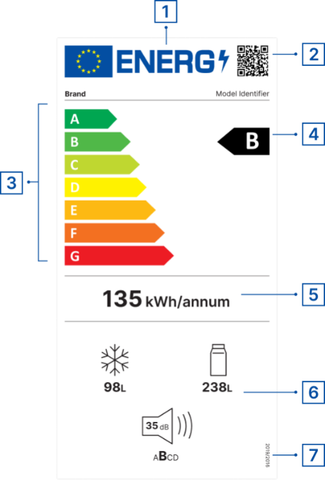
 | EU Energy Label
 | 1 | EU LABEL
 | 2 | QR code for more product information
 | 3 | Energy efficiency classes (from A to G)
 | 4 | Energy efficiency class of the product model
 | 5 | Energy consumption
 | 6 | Additional parameters (noise emission, water consumption, capacity, repairability, reliability class, etc.)
 | 7 | Reference to regulation
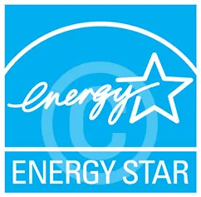
 |  | Sources
 |  | https://e3p.jrc.ec.europa.eu/node/189
 |  | https://eprel.ec.europa.eu/screen/home

 |  |  |  | https://www.energystar.gov/productfinder/?s=mega

 | Terms-meaning
1 | Biogas is a gaseous fuel from biomass.
2 | Biofuels are liquid fuels for transportation, produced from biomass.
3 | Biomass is the biodegradable part of products, waste and residues of biological origin from agriculture (including plant and animal matter), forestry and related industries, as well as the biodegradable part of industrial and municipal waste in accordance with the regulations governing waste management.
4 | Gross final energy consumption is the total final energy consumed for energy purposes in industry, transport, households, public and commercial activities, agriculture, forestry and fisheries, including own consumption of electricity and heat in the electricity and heat production sector and losses in the transmission and distribution of electricity and heat.
5 | A guaranteed supplier is a supplier that provides a public service of guaranteed supply in accordance with the law governing energy.
6 | household is a community of persons whose members live together, eat together and spend their income, or a single person who lives independently, eats independently and spends their income, in accordance with the law.
7 | Delivered electricity is active electricity that a facility for the production of electricity from renewable sources delivers to the power system.
8 | The end customer is a legal or natural person or entrepreneur who purchases electricity for their own needs, i.e. for household needs.
9 | producer customer is an end customer who has connected their own facility for the production of electricity from renewable energy sources to internal installations, whereby the produced electricity is used to supply their own consumption, and the excess of the produced electricity is delivered to the transmission system, distribution system, or closed distribution system.
10 | Small electricity customers are end customers (legal entities and entrepreneurs) who have fewer than 50 employees, a total annual revenue of up to ten million euros in dinar equivalent, all of whose facilities are connected to the electricity distribution system with a voltage lower than 1 kV and whose electricity consumption in the previous calendar year is up to 30,000 kWh in accordance with the law.
11 | small plant is a power plant with an approved capacity of less than 500 kW, or a wind power plant with an approved capacity of less than 3 MW.
12 | The competent system operator is the operator of the transmission, distribution, or closed distribution system to which the customer - producer's facility is connected.
13 | Net electricity represents the difference between the total electricity received and the total electricity delivered by the customer-producer to the transmission, distribution, or closed distribution system during one month, determined in kWh based on the readings of electricity meters that meet the prescribed metrological requirements.
14 | Net metering is a method of calculating net electricity, in which the excess electricity delivered during one month reduces the amount of net electricity during the following billing period, in accordance with the law.
15 | Net billing is a method of calculating net electricity, in which the value of excess electricity delivered during one month is calculated and charged based on a contract between the buyer - producer and supplier, in accordance with the law.
16 | Renewable energy sources are non-fossil energy sources such as: watercourses, biomass, wind, sun, renewable hydrogen, biogas, landfill gas, sewage treatment plant gas, geothermal energy sources and other renewable energy sources.
...

R
 | REPORT - ENERGY AND WATER CONSUMPTION

 | Energy and water consumption
 | Waste type | Unit of measurement | Year |  |  |  |  | Average
 |  |  | 2025 | 2026 | 2027 | 2028 | 2029
1 | Electricity consumption | kWh | - | - | - | - | - | -
2 | Heating energy consumption | t | - | - | - | - | - | -
3 | Fuel consumption | t | - | - | - | - | - | -
4 | Water consumption | m3 | - | - | - | - | - | -
Energy and water consumption

